Add Employee Test Case
STE Assessment Test Case
Test Case Tittle | Add Employee and dependent calculations
Created by | Katrina Tyler
Assumptions | All employees are paid $2000 per paycheck before deductions There are 26 paychecks in a year The cost of benefits is $1000/year for each employee Each dependent incurs a cost of $500/year
Prerequisites- Manual Testing | User has login access
Prerequisites- Automated Testing | User has login access Access to postman Body Script to add employee Test Script to test adding employee
Automated Testing Environment | Postman
Test Case Summary | Test Script / Procedure | Test Environment | Test Data | Expected Result | Actual Result | Status | Comments
Manual Testing
Add an Employee to the system including First Name, Last Name and Dependents Testing with Chrome | Log into the site Select "Add Employee" button Enter First Name Enter Last Name Enter Dependents Select Add button | Chrome 85.0.4183.121 | Kelly House 10 Austin Ames 30 Gregory Taylor 3 Brock Davis 2 Emily Rhodes 7 Hillary Duff 32 Melanie Charmichael 8 Tom Kirkman 5 Jenny Forest 9 John Smith 11 Will Graham 1 Leo Kirkman 6 | Employee will be added and presented correctly with first name, last name, and dependents Employee Salary will be auto applied and present correctly Gross Pay will be auto applied based on salary divided by 26 pay periods and present correctly Benefit cost will be properly calculated based on dependents and employee cost and presently correctly Net Pay will be calculated based on gross minus benefit cost and presently correctly | Employee was added and presented correctly with first name, last name, and dependents Employee Salary was auto applied and present correctly Gross Pay was auto applied and present correctly Benefit cost was properly calculated and presently correctly Net Pay was calculated and presently correctly | PASS | 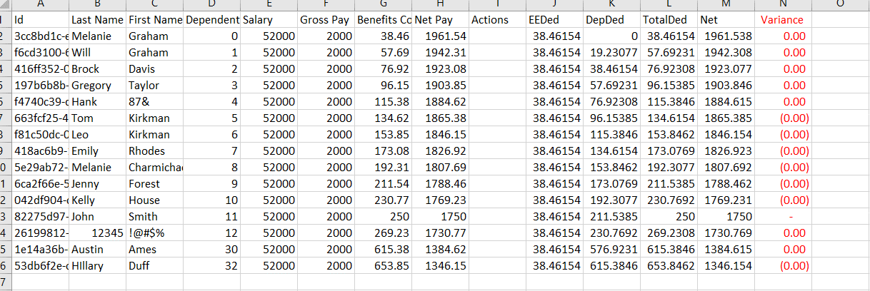

Add an Employee to the system including First Name, Last Name and Dependents Testing IE | Log into the site Select "Add Employee" button Enter First Name Enter Last Name Enter Dependents Select Add button | IE 11.1457.17763.0 | Jill Hoffman 2 | Employee will be added and presented correctly with first name, last name, and dependents Employee Salary will be auto applied and present correctly Gross Pay will be auto applied based on salary divided by 26 pay periods and present correctly Benefit cost will be properly calculated based on dependents and employee cost and presently correctly Net Pay will be calculated based on gross minus benefit cost and presently correctly | Able to select Add button Able to enter data Unable to Select Add Employee Button | FAIL

Add an Employee to the system including First Name, Last Name and Dependents Testing Firefox | Log into the site Select "Add Employee" button Enter First Name Enter Last Name Enter Dependents Select Add button | Firefox 80.0.1 | Lydia Agular 10 Carlos Fuentez 4 Janet Hagar 6 | Employee will be added and presented correctly with first name, last name, and dependents Employee Salary will be auto applied and present correctly Gross Pay will be auto applied based on salary divided by 26 pay periods and present correctly Benefit cost will be properly calculated based on dependents and employee cost and presently correctly Net Pay will be calculated based on gross minus benefit cost and presently correctly | Able to select Add button Able to enter data unable to add employee logged out and back and in then able to add the employee | FAIL | I was able to add the first employee but then when adding the second the add button no longer worked. Logging out then back in allowed the add button to work again

Add an Employee to the system including First Name, Last Name and Dependents Testing with Chrome Testing with numbers and special characters | Log into the site Select "Add Employee" button Enter First Name with special characters Enter Last Name with special characters Enter Dependents Select Add button | Chrome 85.0.4183.121 | 12345 !@#$% 12 Hank 87& | Error and inability to save as special characters and numbers are unexpected in first and last names | Employee was added and presented with first name, last name, and dependents including numbers and special characters | FAIL

Add an Employee to the system including First Name, Last Name and Dependents Testing Number of Dependent Limits | Log into the site Select "Add Employee" button Enter First Name Enter Last Name Enter Dependents Select Add button | Chrome 85.0.4183.121 | 100 50 20 30 35 34 33 32 | Either No dependent limit or something logical like 100 | Max Dependent Limit is 32 | FAIL

Ability to apply commas and periods in numbers With Add and Edit Feature | Log into the site Select "Add Employee" button Enter First Name Enter Last Name Enter Dependents with comma in number Select Add button Edit existing Employee Add commas to number of dependents Select update | Chrome 85.0.4183.121 | 12, 1,2 12,00 12.00 1.2 | Commas and periods not accepted | Commas and periods not accepted | PASS

Last Name, First Name and Dependents Required: Leave all Blank With Add and Edit Feature | Log into the site Select "Add Employee" button Leave First Name Blank Leave Last Name Blank Enter Dependents Select Add button | Chrome 85.0.4183.121 | First Name: Last Name: Dependents: | Inability to add | Inability to add | PASS

Last Name, First Name and Dependents Required: Leave Only First Name Blank With Add and Edit Feature | Log into the site Select "Add Employee" button Leave First Name Blank Enter Last Name Enter Dependents Select Add button Edit existing Employee Remove First Name Select update | Chrome 85.0.4183.121 | First Name: Last Name: Smith Dependents: 2 | Inability to add | Inability to add | PASS

Last Name, First Name and Dependents Required: Leave Only Last Name Blank With Add and Edit Feature | Log into the site Select "Add Employee" button Enter First Name Leave Last Name Blank Enter Dependents Select Add button Edit existing Employee Remove First Name Remove Last Name Remove Dependents Select update | Chrome 85.0.4183.121 | First Name: Lisa Last Name: Dependents: 2 | Inability to add | Inability to add | PASS

Last Name, First Name and Dependents Required: Leave Only Dependent Blank With Add and Edit Feature | Log into the site Select "Add Employee" button Enter First Name Enter Last Name Leave Dependents Blank Select Add button Edit existing Employee Remove Dependents Select update | Chrome 85.0.4183.121 | First Name: Lisa Last Name: Smith Dependents: | Inability to add | Inability to add | PASS
Automated Testing with Postman
Add Employee Status 200 OK Employee Info returned properly | Add test script {test script below} Send request Run Get Employee List request Ensure the employee has been added to the employee table Test Script: var jsonData = pm.response.json(); pm.environment.set("id", jsonData.id); pm.test("Status code is 200", function () { pm.response.to.have.status(200); }); pm.test("correct first name is returned", function () { pm.expect(jsonData.firstName).to.eql(environment.firstName); }); pm.test("correct last name is returned", function () { pm.expect(jsonData.lastName).to.eql(environment.lastName); }); pm.test("correct dependants is returned", function () { pm.expect(jsonData.dependants).to.eql(environment.dependants); }); | Postman | { "firstName": "{{newFirstName}}", "lastName": "{{newLastName}}", "dependants": "{{newDependants}}" } using envirnoment variables newFirstName = Allie newLastName = Tracker newDependants = 2 | Status 200 OK correct first name is returned correct last name is returned correct number of dependents are returned | Status 200 OK correct first name is returned correct last name is returned correct number of dependents are returned | PASS
Last Name, First Name and Dependents Required: Leave all Blank Negative Testing, Expecting Status Error | var jsonData = pm.response.json(); pm.environment.set("id", jsonData.id); pm.test("First Name is Required", function () { pm.expect(pm.response.text()).to.include("FirstName field is required"); }); pm.test("Last Name is Required", function () { pm.expect(pm.response.text()).to.include("LastName field is required"); }); pm.test("dependants field is Required", function () { pm.expect(pm.response.text()).to.include("dependants field is required"); }); pm.test("Status code is 400", function () { pm.response.to.have.status(400); }); | Postman | { "firstName": "", "lastName": "", "dependants":"" } | PASS Response time is less than 3000ms PASS First Name is Required PASS Last Name is Required FAIL dependants field is Required PASS Status code is 400 | PASS Response time is less than 3000ms PASS First Name is Required PASS Last Name is Required FAIL dependants field is Required | AssertionError: expected '[{"memberNames":["FirstName"],"errorMessage":"The FirstName field is required."},{"memberNames":["LastName"],"errorMessage":"The LastName field is required."}]' to include 'dependants field is required' PASS Status code is 400 | FAIL
Get Employee information for existing employee | var jsonData = pm.response.json(); pm.test("Status code is 200", function () { pm.response.to.have.status(200); }); pm.test("correct first name is returned", function () { pm.expect(jsonData.firstname).to.eql(environment.firstname); }); pm.test("correct last name is returned", function () { pm.expect(jsonData.lastname).to.eql(environment.lastname); }); pm.test("correct dependants is returned", function () { pm.expect(jsonData.dependants).to.eql(environment.dependants); }); | Postman | existing ID: applied within Environment Variable | Status 200 OK correct first name is returned correct last name is returned correct number of dependents are returned | Status 200 OK correct first name is returned correct last name is returned correct number of dependents are returned | Pass
Log into system and confirm correct page loads and existing employee is found within table | it('logs into the system with correct credentials, confirms correct page was loaded and an existing employee is found within table', function () { const username = 'TestUser32' const password = ']G_ce[24Ghd3' cy.visit('https://wmxrwq14uc.execute-api.us-east-1.amazonaws.com/Prod/Account/Login') cy.contains('Username').type(username) cy.contains('Password').type(password) cy.get('form').submit() cy.url().should('eq', 'https://wmxrwq14uc.execute-api.us-east-1.amazonaws.com/Prod/Benefits'); cy.get('table').contains('td', 'Stacy').should('be.visible'); }); | Cypress | Login: TestUser32 ]G_ce[24Ghd3 Existing EE: Stacy | Sucessful login Benefits page to load EE listing to show and include existing EE Stacy | Sucessful login Benefits page to load EE listing to show and include existing EE Stacy | PASS

